Shortest Path
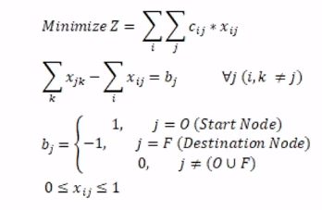
From | To | On Route | Distance | Nodes | Net Flow |  | Supply/Demand
SL | CH | 0 | 300 | SL | 1 | = | 1
SL | IN | 0 | 245 | CH | 0 | = | 0
SL | LV | 1 | 263 | IN | 0 | = | 0
SL | NV | 0 | 312 | LV | 0 | = | 0
CH | SL | 0 | 300 | NV | 0 | = | 0
CH | IN | 0 | 201 | CI | 0 | = | 0
CH | CL | 0 | 362 | LX | 0 | = | 0
IN | CH | 0 | 201 | KV | 0 | = | 0
IN | SL | 0 | 245 | CO | 0 | = | 0
IN | LV | 0 | 114 | CL | 0 | = | 0
IN | CI | 0 | 112 | CN | 0 | = | 0
IN | CO | 0 | 176 | GR | 0 | = | 0
LV | SL | 0 | 263 | MT | 0 | = | 0
LV | IN | 0 | 114 | RI | 0 | = | 0
LV | NV | 0 | 175 | HB | 0 | = | 0
LV | LX | 1 | 86 | WA | -1 | = | -1
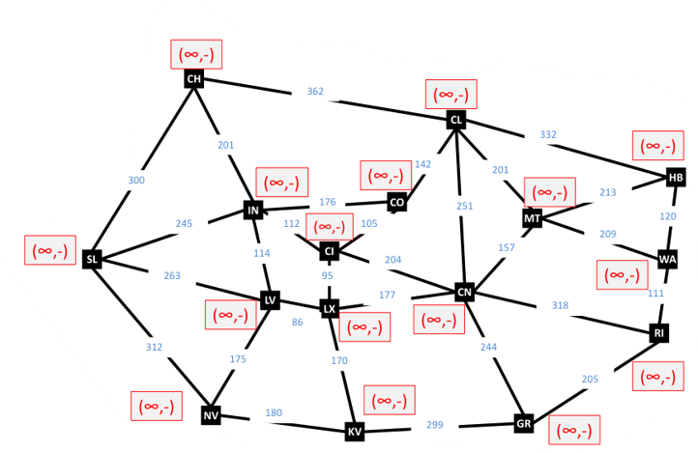
NV | SL | 0 | 312
NV | LV | 0 | 175
NV | KV | 0 | 180
KV | NV | 0 | 180
KV | LX | 0 | 170
KV | GR | 0 | 299
LX | CI | 0 | 95
LX | LV | 0 | 86
LX | KV | 0 | 170
LX | CN | 1 | 177
CI | CO | 0 | 105
CI | CN | 0 | 204
CI | LX | 0 | 95
CI | IN | 0 | 112
CO | CL | 0 | 142
CO | CI | 0 | 105
CO | IN | 0 | 176
CL | CH | 0 | 362
CL | CO | 0 | 142
CL | CN | 0 | 251
CL | MT | 0 | 201
CL | HB | 0 | 332
HB | CL | 0 | 332
HB | MT | 0 | 213
HB | WA | 0 | 120
MT | CL | 0 | 201
MT | HB | 0 | 213
MT | WA | 1 | 209
MT | CN | 0 | 157
CN | CL | 0 | 251
CN | CI | 0 | 204
CN | LX | 0 | 177
CN | GR | 0 | 244
CN | RI | 0 | 318
CN | MT | 1 | 157
GR | CN | 0 | 244
GR | KV | 0 | 299
GR | RI | 0 | 205
RI | WA | 0 | 111
RI | CN | 0 | 318
RI | GR | 0 | 205
WA | HB | 0 | 120
WA | MT | 0 | 209
WA | RI | 0 | 111

 |  | Total Distance | 892

